Improvements
My comments: | Since I don't know the specific requirements I marked findings below as improvements, it definitely possibe some of those are bugs, but for those cases I can't be 100% sure.
Improvements
ID: | IP-1
Scenario: | User enters alphabet numbers, special characters, space inside Sell/Buy input field and clicks filter.
Result: | Invalid parameters message appears.

Problem 1: | I see API calls to filter the data are still sent inside Network tab, and those return 400 with some message. So I bet later this is sent to FE and 'Invalid paramters' message is added to the HTML. So it means there is no check on the FE. Ideally such checks for characters should be stored on UI, this is faster and prevents extra calls to server.

Solution to discuss: | Move this check to FE. Ideally allow only numeric numbers to enter.
Problem 2: | Once some special characters entred and we get this message, it stay on the page untill user closes that. In case user does not close that, he still can enter some valid data and apply filter again. As a result he can get the case as from the screenshot 2, when valid data is entered, but Invalid parameters message is still there.

(NOTE: will not be actual in case problem 1 is improved)

ID: | IP-2
Scenario: | User selects same currency both in Sell and Buy dropdown fields (except All options in both fields).
Result: | It's possible to select same currency and filter the results:

Problem: | User still can do this kind of filtering which does not make lot of sense.
Solution to discuss: | Implement dynamic dropdowns, like in case some currency, e.g. EUR is selected within one field, hide it from the other one. This way is already implemented in case user select All option.

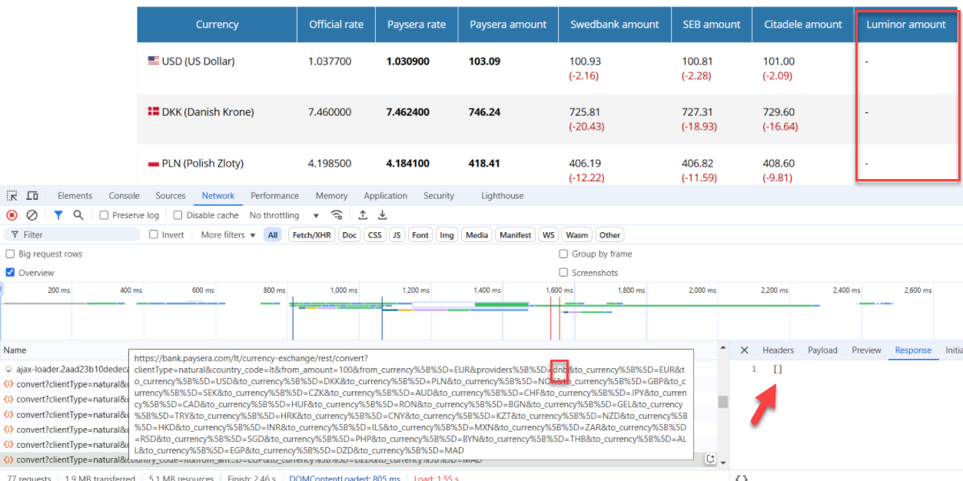
ID: | IP-3
Scenario: | User is reviewing transfer rate to Luminor bank.
Result:

Problem: | Luminor amount column is empty for all the currencies.
Solution to discuss: | The solutions depends on the real situation, in case this is temporary this column might be hidden for now. In case this is new transfer option some label like 'Coming soon' woud work. In case this option is no longer available the column might be removed

ID: | IP-4
Scenario: | List of currencies - HRK (Croatian Kuna)
Result:

Problem: | HRK currency is available, but there is no P rate and it's not available for transfer.
Solution to discuss: | Croatia moved to EUR recently, so previous currency is no longer actual. I understand it meight be in place for some time, but still it does not make a lot of sense to display that in case there is no P rate, and as a result transfer options. It should be removed or some informational message added.

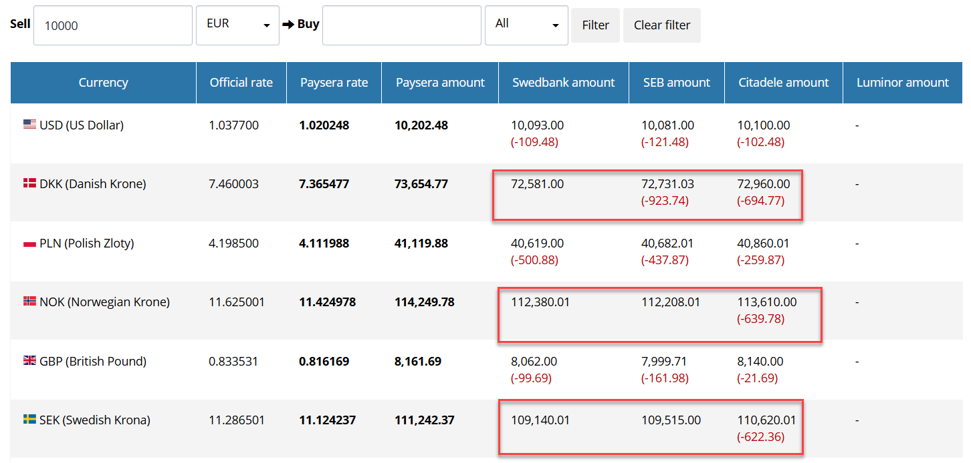
ID: | IP-5
Scenario: | User is viewwing different banks transfer loss with some higher amount.
Result:

Problem: | Transfer loss is hidden from the results depending on the amount. In case this is really big it does not display at all, which is fine. However there are some cases when loss is displayed/hidden for the same currency for the different banks, even though the amount after transfer is close for the different banks.

Solution to discuss: | Conditions for the loss amount should be clarified and some general approach applied. Either based on sell/buy amount, or specific amount for the specific currency.

